Sheet1
PIONEER SERVICES

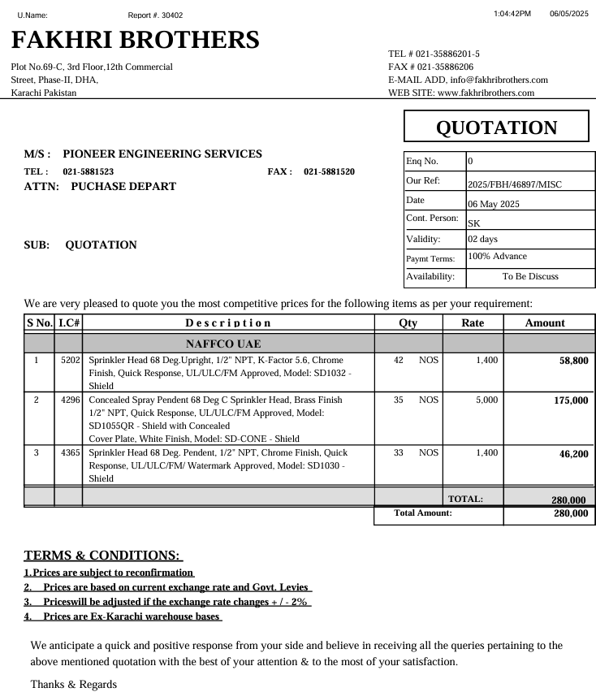


 |  |  |  | Date: | 6-May-25
 |  |  |  | PO # | 127

M/S Fakhri Brothers

Att: Mr. Shakeel

PURCHASE ORDER

Supply of Sprinklers for the project (J outlet Quetta Pakistan)
S No. | D e s c r i p t i o n | Qty | Unit | Rate | Amount
1 | Sprinkler Head 68 Deg.Upright, 1/2" NPT, K-Factor 5.6, Chrome Finish, Quick Response, UL/ULC/FM Approved, Model: SD1032 - Shield | 42 | Nos | 1,400 | 58,800
2 | Concealed Spray Pendent 68 Deg C Sprinkler Head, Brass Finish 1/2" NPT, Quick Response, UL/ULC/FM Approved, Model: SD1055QR - Shield with Concealed Cover Plate, White Finish, Model: SD-CONE - Shield | 20 | Nos | 5,000 | 100,000
 |  | TOTAL: |  |  | 158,800

Supply of Sprinklers for the project (J outlet Fortress Mall Lahore Pakistan)
S No. | D e s c r i p t i o n | Qty | Unit | Rate | Amount
1 | Concealed Spray Pendent 68 Deg C Sprinkler Head, Brass Finish 1/2" NPT, Quick Response, UL/ULC/FM Approved, Model: SD1055QR - Shield with Concealed Cover Plate, White Finish, Model: SD-CONE - Shield | 15 | Nos | 5,000 | 75,000
2 | Sprinkler Head 68 Deg. Pendent, 1/2" NPT, Chrome Finish, Quick Response, UL/ULC/FM/ Watermark Approved, Model: SD1030 - Shield | 33 | Nos | 1,400 | 46,200
 |  | TOTAL: |  |  | 121,200

 |  |  |  |  | 280,000
for PIONEER SERVICES

